Controller
 |  | LC/3.2 | 3.6

oled |  |  |  |  |  |  |  | Teensy LC/3.2 |  |  |  |  |  |  |  |  |  |  |  |  |  |  | Teensy 3.6 |  |  |  |  |  |  |  |  |  | Teensy 4.0
gnd | 1 | GND | GND | 5 | 3 | 1 | neg | GND |  |  |  | 3.7 - 5.5v |  | Vin | 1 |  |  | 5v | 5 | 3 | 1 | 2 | gnd | 3.6 - 6v | Vin | 1 |  |  | 5 | 3 | 1 | neg | GND |  |  |  | 3.7 - 5.5v |  | Vin | 1 |  |  | 5v
VCC | 2 | 3.3 | 3.3 |  |  |  | 4 | 0 |  |  |  |  |  | Gnd |  |  |  |  |  |  |  | 4 | 0 | Analog | Gnd |  |  |  |  |  |  | 4 | 0 |  |  |  |  |  | Gnd
D0 | 3 | 13 | 13 |  |  |  | 3 | 1 |  |  |  | 250mA |  | 3.3v |  |  |  |  |  |  |  | 3 | 1 | 250mA | 3.3v |  |  |  |  |  |  | 3 | 1 |  |  |  | 250mA |  | 3.3v
D1 | 4 | 11 | 11 | 1 |  |  |  | 2 |  |  |  |  |  | 23 |  | 5 |  |  |  |  |  |  | 2 |  | 23 |  |  |  | 1 |  |  |  | 2 |  |  |  |  |  | 23 |  | 5
Res | 5 | 23 | 28 | 2 |  |  |  | 3 |  |  |  |  |  | 22 |  |  |  |  |  |  |  |  | 3 |  | 22 |  |  |  | 2 |  |  |  | 3 |  |  |  |  |  | 22
Dc | 6 | 9 | 9 | 3 |  |  |  | 4 |  |  |  |  |  | 21 |  |  |  |  |  |  |  |  | 4 |  | 21 |  |  |  | 3 |  |  |  | 4 |  |  |  |  |  | 21
Cs | 7 | 10 | 10 | 4 |  |  |  | 5 |  |  |  |  |  | 20 |  |  |  |  |  |  |  |  | 5 |  | 20 |  |  |  | 4 |  |  |  | 5 |  |  |  |  |  | 20
 |  |  |  |  | 2 |  |  | 6 |  |  |  |  |  | 19 |  |  | 8 |  |  |  |  |  | 6 |  | 19 |  |  | 8 |  | 2 |  |  | 6 |  |  |  |  |  | 19 |  |  | 8
RFID MRFC522 |  |  |  |  |  |  |  | 7 |  |  |  |  |  | 18 |  |  |  |  |  |  |  |  | 7 |  | 18 |  |  |  |  |  |  |  | 7 |  |  |  |  |  | 18
3.3 | 1 | 3.3 | 3.3 |  |  |  |  | 8 |  |  |  |  |  | 17 |  |  |  |  |  |  |  |  | 8 |  | 17 |  |  |  |  |  |  |  | 8 |  |  |  |  |  | 17
RST | 2 | 6 | 28 |  |  | 6 |  | 9 |  |  |  |  |  | 16 |  |  |  |  |  |  | 6 |  | 9 |  | 16 |  |  |  |  |  | 6 |  | 9 |  |  |  |  |  | 16
GND | 3 | GND | GND |  |  | 7 |  | 10 |  |  |  |  |  | 15 | 5 |  |  |  |  |  | 7 |  | 10 |  | 15 |  |  |  |  |  | 7 |  | 10 |  |  |  |  |  | 15 | 5
irq | 4 |  |  |  | 6 | 4 |  | 11 | MOSI |  |  |  |  | 14 |  |  |  |  |  | 6 | 4 |  | 11 |  | 14 |  |  |  |  | 6 | 4 |  | 11 |  |  |  |  |  | 14
MISO | 5 | 12 | 12 |  | 5 |  |  | 12 | MISO |  |  |  |  | 13 |  | 3 | 7 |  |  | 5 |  |  | 12 |  | 13 |  | 3 | 7 |  | 5 |  |  | 12 |  |  |  |  |  | 13 |  | 3 | 7
MOSI | 6 | 11 | 11 |  |  |  |  |  | 17 | 3.3v | GND | Prog | 26 |  |  |  |  |  |  | 1 | 2 |  | 3.3v |  | GND |  |  |  |  |  |  |  |  | 17 | 3.3v | GND | Prog | 26
SCK | 7 | 13 | 13 |  |  |  |  |  |  |  | 2 |  |  |  |  |  |  |  |  |  |  |  | 24 |  | A22 |  |  |  |  |  |  |  |  |  |  | 2
SDA/SS | 8 | 19 | 19 |  |  |  |  |  |  | 2 |  |  |  |  |  |  |  |  |  |  |  |  | 25 |  | A21 |  |  |  |  |  |  |  |  |  | 2
 |  |  |  |  |  |  |  |  |  | 1 |  |  |  |  |  |  |  |  |  |  |  |  | 26 |  | 39 |  |  |  |  |  |  |  |  |  | 1
 |  |  |  |  |  |  |  |  |  |  |  |  |  |  |  | UBEC |  |  |  |  |  |  | 27 |  | 38 |  |  |  |  |  |  |  |  |  |  |  |  |  |  |  | UBEC
Buttons |  |  |  |  |  |  |  |  |  |  |  |  |  |  | 1 | 5v |  | neg |  | 2 | 5 |  | 28 |  | 37 |  |  |  |  |  |  |  |  |  |  |  |  |  |  | 1 | 5v |  | neg
 | 1 | 2 | 29 |  |  |  |  | HC-12 |  |  |  |  |  |  | ┌ | 8v |  | neg | 1 |  |  |  | 29 |  | 36 |  |  |  |  |  |  |  | HC-12 |  |  |  |  |  |  | ┌ | 8v |  | neg
 | 2 | 3 | 30 |  |  |  |  | VCC | 1 |  |  | 5v |  | switch |  |  |  |  | 2 |  |  |  | 30 |  | 35 |  |  |  |  |  |  |  | VCC | 1 |  |  | 5v |  | switch
 | 3 | 4 | 31 |  |  |  |  | GND | 2 |  |  | GND |  |  | │- | lipo Chrg |  |  | 3 |  |  |  | 31 |  | 34 |  |  |  |  |  |  |  | GND | 2 |  |  | GND |  |  | │- | lipo Chrg
 | 4 | 5 | 32 |  |  |  |  | RXD | 3 |  |  | 1 |  |  | └ | + |  | NEG | 4 |  |  |  | 32 |  | 33 |  |  |  |  |  |  |  | RXD | 3 |  |  | 1 |  |  | └ | + |  | NEG
Gnd | 5 |  | GND |  |  |  |  | TXD | 4 |  |  | 0 |  |  |  |  |  |  |  |  |  |  |  |  |  |  |  |  |  |  |  |  | TXD | 4 |  |  | 0
 |  |  |  |  |  |  |  | SET | 5 |  |  | 15 |  |  |  |  | USB |  |  |  |  |  |  |  |  |  |  |  |  |  |  |  | SET | 5 |  |  | 15 |  |  |  |  | USB

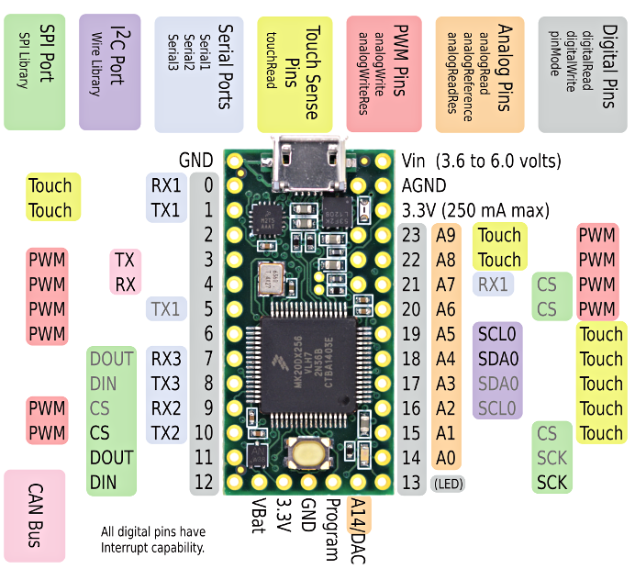
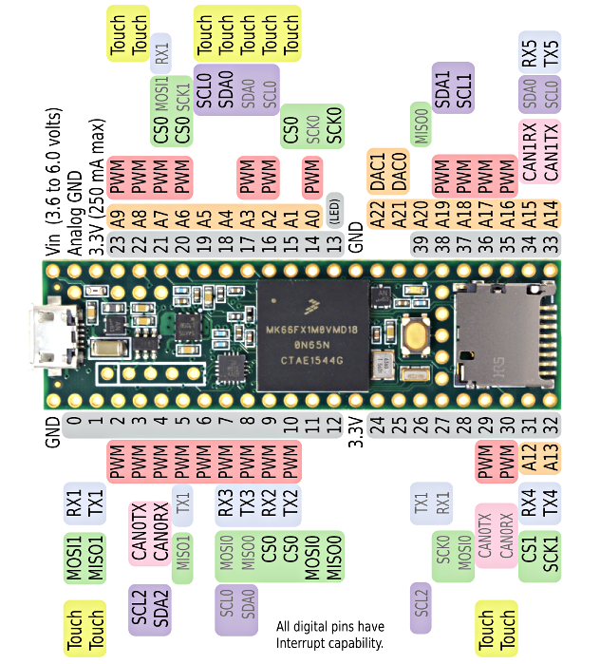
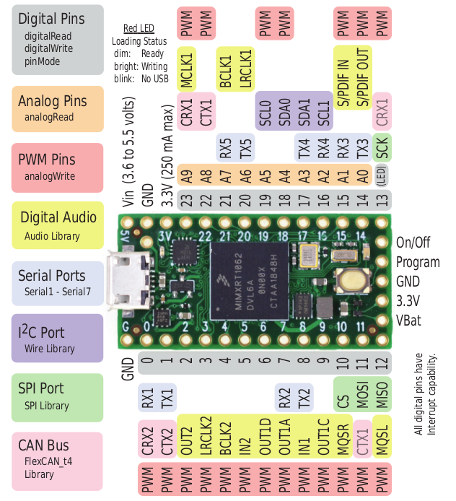

 |  |  |  |  |  |  |  | TEENSY 3.2 / LC |  |  |  |  |  |  |  |  |  |  |  |  |  |  |  |  |  |  |  |  |  |  |  |  |  |  | TEENSY 4.0

Screens
CHARGER

 | GND |  | GND | GND

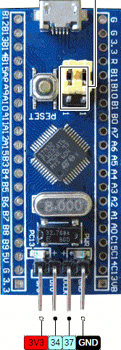
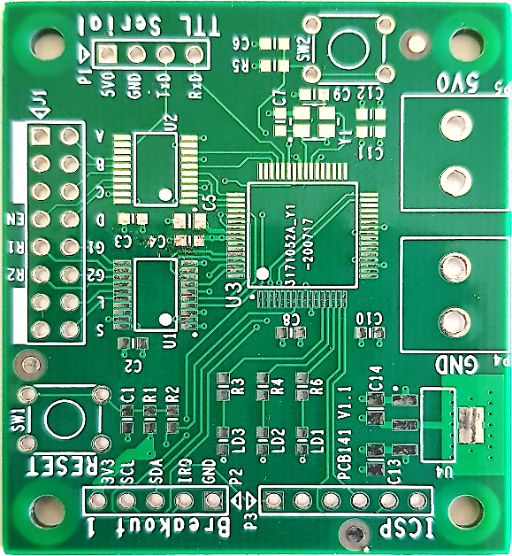
 |  |  |  |  | 16-pin HUB08 Matrix
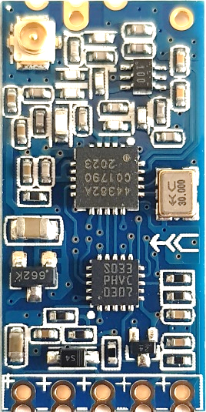

GND

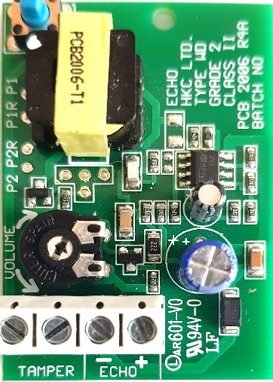

 |  | GND

